MeOH - Data
Datos
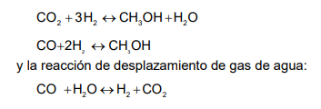
$$r_{MeOH}=\frac{Kd ∗\left(P_{CO2} P_{H2}\right)−\left(\frac{Kd}{K_{1}^{∗}}\right)∗(\frac{P_{H2O}P_{MeOH}}{P_{H2}^{2}})}{{[1+Kc ∗\left(\frac{P_{H2O}}{P_{H2}}\right)+Ka ∗\left(P_{H2}^{\frac{1}{2}}\right)+Kb ∗ P_{H2O}]}^{3}}$$
 | N° Vel
 | 1

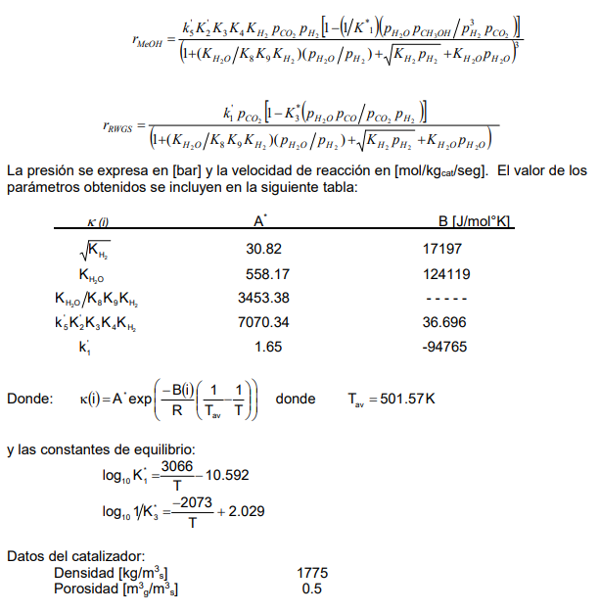
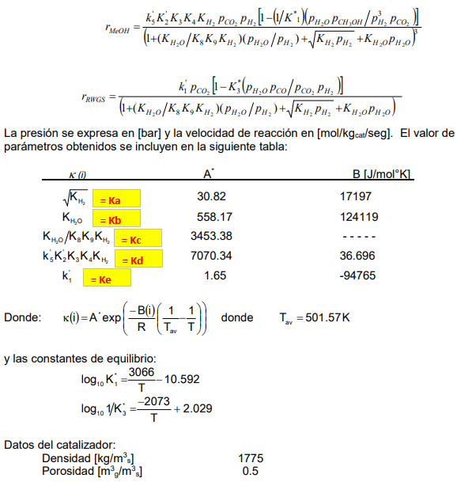
$$r_{RWGS}=\frac{Ke ∗\left(P_{CO2} \right)−\left(Ke K_{3}^{∗}\right)∗(\frac{P_{H2O}P_{CO}}{P_{H2}})}{[1+Kc ∗\left(\frac{P_{H2O}}{P_{H2}}\right)+Ka ∗\left(P_{H2}^{\frac{1}{2}}\right)+Kb ∗ P_{H2O}]}$$
 | 2

$\frac{\left(\log_{10}{K_{i}^{∗}}\right) }{\left(\log_{10}{e}\right)}=\frac{\left(\frac{∝}{T}−β\right)}{\left(\log_{10}{e}\right)}=\ln{K_{i}^{∗ } ;} \ln{K_{i}^{∗ }=2,3 (\frac{α}{T}−β) }$
$$α_{i}= B_{i}/R$$
$$\left[T\right]=°K$$
$$e^{β_{i}}= A_{i}$$
 | Constantes | según: |  |  |  |  |  | donde | , | y

$$K_{1}^{∗}$$
 |  | A1* | 4.3491060723E-25 |  |  | R | 8.314 | J/°K mol
 |  | α1 | 7051.8
 |  | B1 | 58628.6652 | J/gmol
$$K_{2}^{∗}$$
 |  | A2* | 46419.451024
= Ka
 |  | α2 | -4767.9
= Kb
 |  | B2 | -39640.3206 | J/gmol
= Kc
$K_{I}^{∗}=$ $\frac{Kd}{K_{1}^{∗}}$
 |  | A' | 1.611456386E+28
 |  | B' | 58665.3612
= Kd
$K_{II}^{∗}=$ $Ke K_{3}^{∗}$
 |  | A' | 5.6699980858E+14
= Ke
 |  | B' | 55124.6794 | J/gmol

$${Ai}^{′}=Ai ∗ e^{−\frac{B}{R Tav}}$$
$${Ki}^{′}=Ai′ ∗ e^{−\frac{B′}{R T}}$$
 | Tav | 501.57 | °K

 | Constante | A | B | A' | B'
 |  | - | J/mol °K | - | J/mol °K
 | Ka | 30.82 | 17197 | 0.4986930061 | -17197
 | Kb | 558.17 | 124119 | 6.6109644727E-11 | -124119
 | Kc | 3453.38 | 0 | 3453.38 | 0
 | Kd | 7070.34 | 36.696 | 7008.3947538 | -36.696
 | Ke | 1.65 | -94765 | 12214703019 | 94765

